2 Nodes
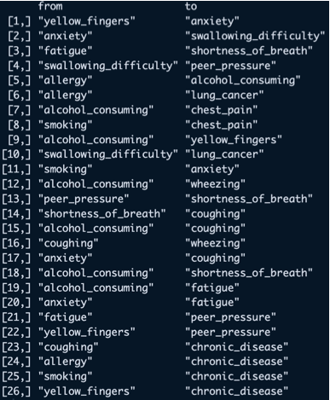
From | To | From | To
Alcohol Consuming | Chest Pain | Alcohol Consuming | Chest Pain
Alcohol Consuming | Coughing |  | Coughing
Alcohol Consuming | Fatigue |  | Fatigue
Alcohol Consuming | Shortness of Breath |  | Shortness of Breath
Alcohol Consuming | Wheezing |  | Wheezing
Alcohol Consuming | Yellow Fingers |  | Yellow Fingers
Allergy | Alcohol Consuming | Allergy | Alcohol Consuming
Allergy | Chronic Disease |  | Chronic Disease
Allergy | Lung Cancer |  | Lung Cancer
Anxiety | Coughing | Anxiety | Coughing
Anxiety | Fatigue |  | Fatigue
Anxiety | Swallowing Difficulty |  | Swallowing Difficulty
Coughing | Chronic Disease | Coughing | Chronic Disease
Coughing | Wheezing |  | Wheezing
Fatigue | Peer Pressure | Fatigue | Peer Pressure
Fatigue | Shortness of Breath |  | Shortness of Breath
Peer Pressure | Shortness of Breath | Peer Pressure | Shortness of Breath
Shortness of Breath | Coughing | Shortness of Breath | Coughing
Smoking | Anxiety | Smoking | Anxiety
Smoking | Chest Pain |  | Chest Pain
Smoking | Chronic Disease |  | Chronic Disease
Swallowing Difficulty | Lung Cancer | Swallowing Difficulty | Lung Cancer
Swallowing Difficulty | Peer Pressure |  | Peer Pressure
Yellow Fingers | Anxiety | Yellow Fingers | Anxiety
Yellow Fingers | Chronic Disease |  | Chronic Disease
Yellow Fingers | Peer Pressure |  | Peer Pressure

